c3
FRD List

FRD/RC/CST-003-2 | Auto cost booking (Trf to CPU Kitchen/Project Kitchen)

 | Location card:
 | Custom Filed: Kitchen Bulk Cost/Kitchen Project Cost/Blank(default)
 | Cost Dimension: Select Bulk cost dimnesion/or Project Dimension depending on project type.

 | Transfer Order:
 | Any transfer to Bulk cost (Common Kitchen) or Project cost, negative journal (Sales/COGS) to passed with dimension on location card.

 | Technical team can suggest, location wise separate Item Journal template to be used, or same Item Journal Template can be used.
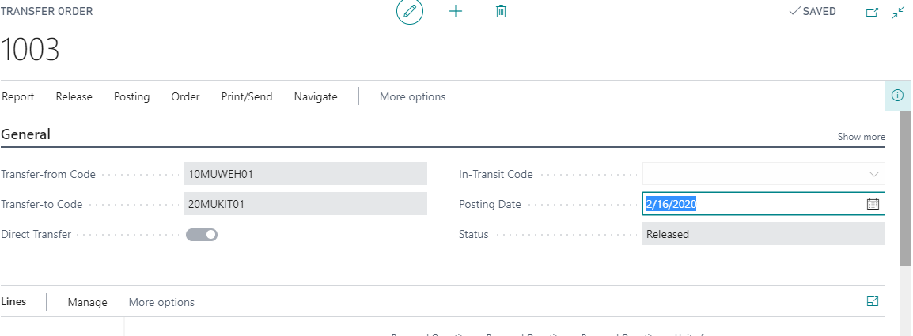

 | Template | To Location
 | Batch | To Location
 | Posting Date | Entry Type | Document No. | Item No. | Description | Location Code | Quantity | Unit of Measure Code | Unit Amount | Amount | Discount Amount | Unit Cost | Applies-to Entry | Project Code
 | 2/16/2020 | Sale | T00008 | ZARM001 | Rice A | 20MUKIT01 | 2 | KG | 0 | 0 | 0 | 28.21 | 0 | 8810001
 | 2/16/2020 | Sale | T00008 | ZARM002 | Rice B | 20MUKIT01 | 2 | KG | 0 | 0 | 0 | 21.45 | 0 | 8810001

 | Receipt posting date | Sale | Defaule | TO Line | NA | To Locatuon | TO Line Qty | TO Line UoM | NA | NA | NA | NA | NA | To Location Project Dimension

